Sheet1
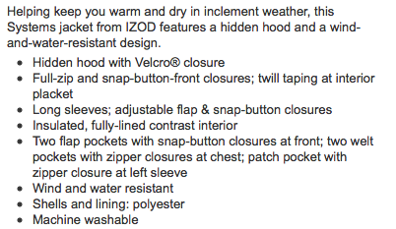
 |  | Pinnacle Peak Brands OFFER

PRICE: $80.00 | PROMO PRICE: $65.00

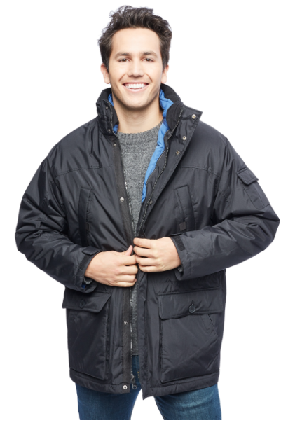
PICTURE |  | STYLE # | COLORS | S | M | L | XL | 2XL | TOTAL
 |  | IZ1507 | black/cobalt blue inside shell | 33 | 90 | 140 | 50 | 15 | 328
 |  |  | olive/tan inside shell | 4 | 27 | 36 | 27 | 6 | 100
 |  |  |  |  |  |  |  |  | 428
 |  | Quantities and breakdown shown subjec t to physical count

